CI
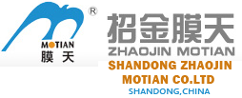

COMMERCIAL INVOICE |  |  |  | REFERENCE: | IN/AM/1026
 |  |  |  | DATE: | 03/06/2018
 |  |  |  | PAYMENT TERMS | 100% CASH ADVANCE
 |  |  |  | SHIPMENT MODE: | BY SEA
 |  |  |  | SHIPMENT TERMS: | EX FACTORY

SELLER:
SHANDONG ZHAOJIN MOTIAN CO., LTD

Shandong, China

BUYER:
#REF!

Shanghai, China

COUNTRY OF ULTIMATE DESTINATION |  | COUNTRY OF MANUFACTURE

CHINA |  | CHINA

Item Description | Quantity | UM | Unit Price | Amount
#REF! | 600 | PC | #REF! | #REF!
#REF! | 2400 | SET | #REF! | #REF!

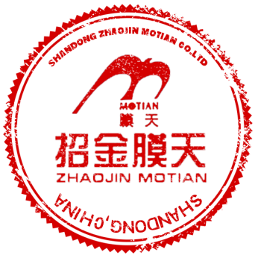
 |  |  | Subtotal | #REF!
Amount in Words: |  |  | Others | -
#REF! |  |  | Total Amount | #REF!
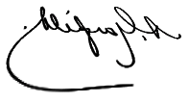
Packing : In Container
Origin: China
Loading Port: Port Of Jinan, China
Discharge Port: Port Of Shanghai, China

All other details as per our P/I No. PI/AM10260 dated 24/05/2018
I hereby certify that this invoice shows the actual price of goods described, that no other invoice has been issued, and that all particulars are true and correct.

